Pivot Tables
Sum of Units Sold | Sum of Total Sales
17148250 | 8684027.5

 |  |  |  |  |  |  | Row Labels | Sum of Total Sales | Sum of Operating Profit
 |  |  |  |  |  |  | January | 510,750.00 | 183,334.38
 |  |  |  |  |  |  | February | 484,975.00 | 174,250.00
 |  |  |  |  |  |  | March | 483,530.00 | 174,392.00
 |  |  |  |  |  |  | April | 494,887.50 | 177,385.00
 |  |  |  |  |  |  | May | 673,572.50 | 248,324.63
 |  |  |  |  |  |  | June | 903,837.50 | 332,843.75
 |  |  |  |  |  |  | July | 1,041,437.50 | 384,724.38
 |  |  |  |  |  |  | August | 945,275.00 | 349,565.63
 |  |  |  |  |  |  | September | 681,000.00 | 248,413.75
Total Sales By Region
 |  |  |  |  |  |  | October | 623,375.00 | 226,435.00
 |  |  |  |  |  |  | November | 795,612.50 | 290,547.75
 |  |  |  |  |  |  | December | 1,045,775.00 | 383,415.63
 |  |  |  |  |  |  | Grand Total | 8684027.5 | 3173631.875

Sales vs Operating Profits by Month

Row Labels | Sum of Units Sold
Midwest | 2,782,950
Northeast | 3,394,550
South | 3,064,800
Southeast | 3,304,450
West | 4,601,500
Grand Total | 17148250

Units sold by Brand

Row Labels | Sum of Units Sold
Coca-Cola | 4,133,250
Dasani Water | 3,000,250
Diet Coke | 3,001,500
Fanta | 2,191,250
Powerade | 2,120,750
Sprite | 2,701,250
Grand Total | 17148250
Sales: By Retailer

Row Labels | Count of Retailer
BevCo | 576
DreamCo | 144
FizzySip | 864
Sodapop | 2304
Grand Total | 3888

Average Units Sold Per Month
Row Labels | Average of Units Sold
January | 4,160
February | 3,933
March | 3,717
April | 3,629
May | 4,182
June | 5,015
July | 5,440
August | 5,105
September | 4,251
October | 3,868
November | 4,452
December | 5,176
Grand Total | 4,410.56

Sales Distribution of brands via Regions
Sum of Units Sold | Column Labels
Row Labels | Midwest | Northeast | South | Southeast | West | Grand Total
Coca-Cola | 4.73% | 5.38% | 3.87% | 4.36% | 5.77% | 24.10%
Dasani Water | 2.93% | 3.56% | 3.22% | 3.36% | 4.43% | 17.50%
Diet Coke | 2.67% | 3.20% | 3.34% | 3.16% | 5.13% | 17.50%
Fanta | 1.73% | 2.32% | 2.31% | 2.67% | 3.74% | 12.78%
Powerade | 1.83% | 2.43% | 2.12% | 2.75% | 3.24% | 12.37%
Sprite | 2.33% | 2.91% | 3.01% | 2.97% | 4.52% | 15.75%
Grand Total | 16.23% | 19.80% | 17.87% | 19.27% | 26.83% | 100.00%

Dashboard
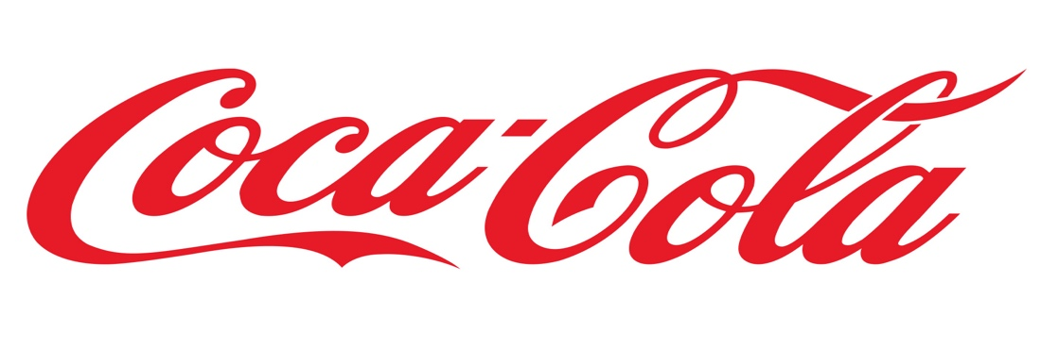 SALES DASHBOARD

Units sold by Brand
 | Total
Coca-Cola | 4,133,250
Dasani Water | 3,000,250
Diet Coke | 3,001,500
Fanta | 2,191,250
Powerade | 2,120,750
Sprite | 2,701,250
Sales vs Operating Profits by Month
 | Sum of Total Sales | Sum of Operating Profit
January | 510,750.00 | 183,334.38
February | 484,975.00 | 174,250.00
March | 483,530.00 | 174,392.00
April | 494,887.50 | 177,385.00
May | 673,572.50 | 248,324.63
June | 903,837.50 | 332,843.75
July | 1,041,437.50 | 384,724.38
August | 945,275.00 | 349,565.63
September | 681,000.00 | 248,413.75
October | 623,375.00 | 226,435.00
November | 795,612.50 | 290,547.75
December | 1,045,775.00 | 383,415.63
Sales: By Retailer
 | Total
BevCo | 576
DreamCo | 144
FizzySip | 864
Sodapop | 2304

Total Sales By Region
 | Total
Midwest | 2,782,950
Northeast | 3,394,550
South | 3,064,800
Southeast | 3,304,450
West | 4,601,500
Sales Distribution of brands via Regions
 | Midwest | Northeast | South | Southeast | West
Coca-Cola | 4.73% | 5.38% | 3.87% | 4.36% | 5.77%
Dasani Water | 2.93% | 3.56% | 3.22% | 3.36% | 4.43%
Diet Coke | 2.67% | 3.20% | 3.34% | 3.16% | 5.13%
Fanta | 1.73% | 2.32% | 2.31% | 2.67% | 3.74%
Powerade | 1.83% | 2.43% | 2.12% | 2.75% | 3.24%
Sprite | 2.33% | 2.91% | 3.01% | 2.97% | 4.52%
Average Units Sold Per Month
 | Total
January | 4,160
February | 3,933
March | 3,717
April | 3,629
May | 4,182
June | 5,015
July | 5,440
August | 5,105
September | 4,251
October | 3,868
November | 4,452
December | 5,176

